WiFi
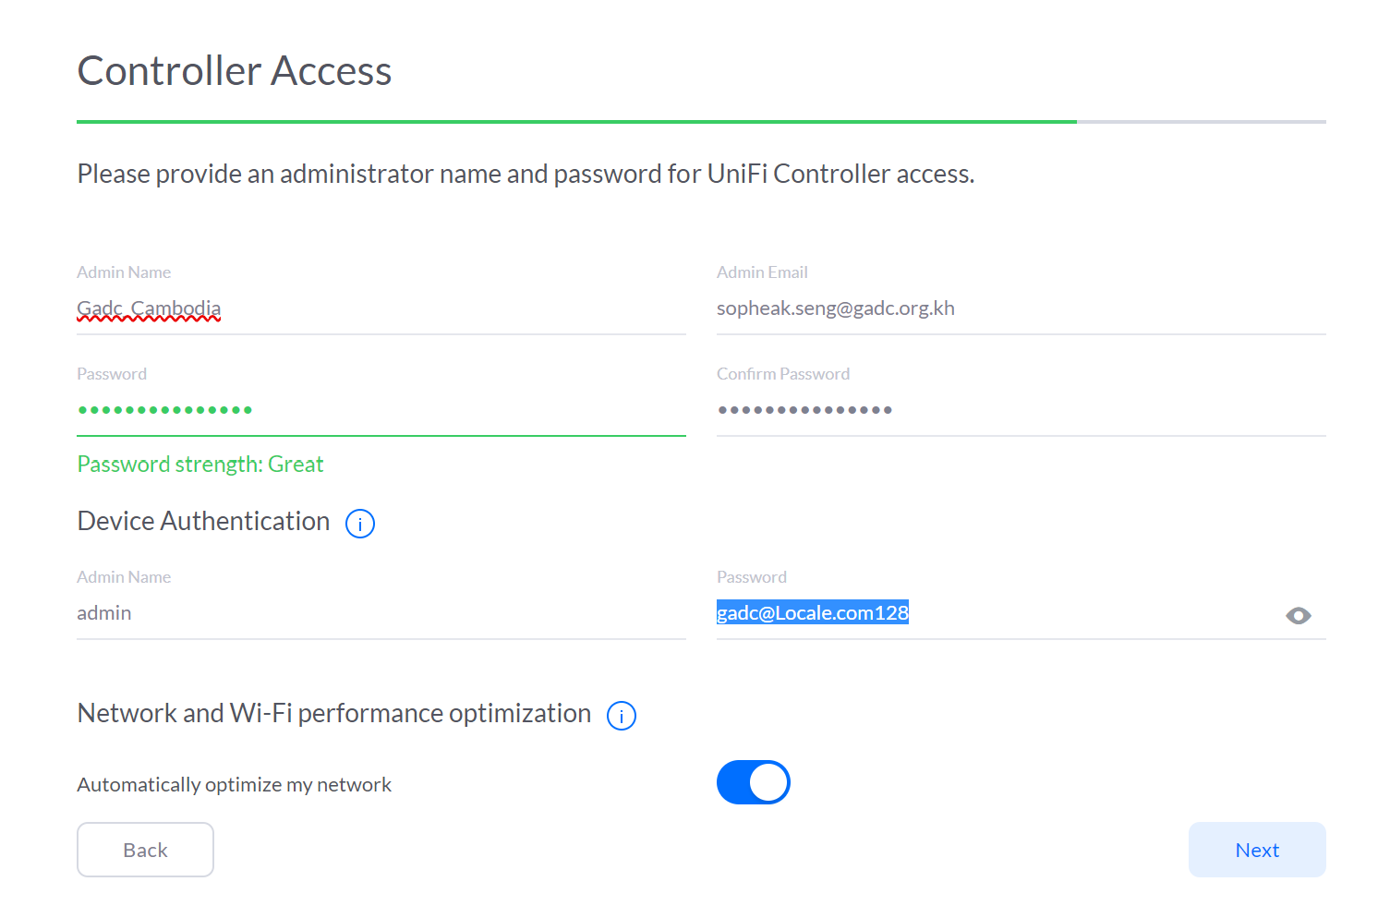
 | WiFi Access Point
FULL NAME | USERNAME | PASSWORD | REMARK
UniFi Controller | GADC GROUND FLOOR | GADC@Unique-22
UniFi Controller | GADC FIRST FLOOR | GADC@Unique-22
UniFi Controller | GADC SECOND FLOOR | GADC@Unique-22
UniFi Controller | GADC THIRD FLOOR | GADC@Unique-22
UniFi Controller | GADC FOUR FLOOR | GADC@Unique-22

Admin Name | Admin Email | Password
Gadc_Cambodia | sopheak.seng@gadc.org.kh | gadc@Locale.com | For logging on into UniFi Controller to setup WiFi SSID

Device Authentication
 | admin | gadc@Locale.com128 | For Device Authentication
 | GADC Cambodia | gadc@Locale.com | UniFi Controller

